Examples
Readymade
CONDIIONAL FORMATING

Conditional Formatting is a tool that allows you to apply formats to a cell or range of cells, and have that formatting change depending on the value of the cell
or the value of a formula. For example, you can have a cell appear bold only when the value of the cell is greater than 100. It is used to easily spot the trends and patterns using colors,bars and icons

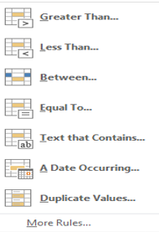
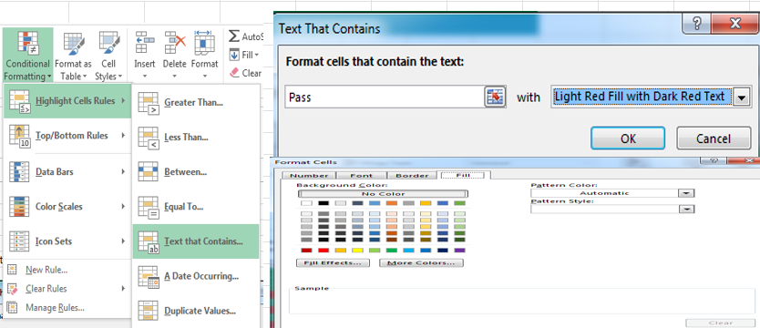
 |  |  |  |  | Data
Highlight Cell Rules | Date | Name | M1 | M2 | M3 | M4 | Total | Percentage | Grade
 | 2025-08-19 | Aman | 60 | 58 | 27 | 55 | 200 | 50 | PASS
 | 2025-08-20 | Suman | 35 | 72 | 70 | 66 | 243 | 60.75 | PASS
 | 2025-08-21 | Aman | 40 | 79 | 84 | 60 | 263 | 65.75 | PASS
 | 2025-12-22 | Anshika | 2 | 2 | 2 | 90 | 96 | 24 | FAIL
 | 2025-08-23 | Anmol | 48 | 81 | 72 | 80 | 281 | 70.25 | PASS
 | 2025-12-24 | Bhashkar | 40 | 2 | 3 | 36 | 81 | 20.25 | FAIL
 | 2025-12-25 | Sukh | 70 | 61 | 61 | 41 | 233 | 58.25 | PASS
 | 2025-12-26 | Sudeep | 57 | 2 | 2 | 2 | 63 | 15.75 | FAIL
 | 2025-12-27
 | 2025-12-28
 | 2025-12-29
 | 2025-12-30
 | 2025-12-31
 | 2026-01-01
 | 2026-01-02
 | 2026-01-03 |  | Top/Bottom Rules |  |  |  |  | Name | M1 | M2 | M3 | M4 | Total | Percentage
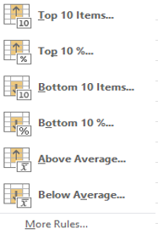
 | 2026-01-04 |  |  |  |  |  |  | Aman | 60 | 58 | 27 | 55 | 200 | 50
 | 2026-01-05 |  |  |  |  |  |  | Suman | 35 | 72 | 70 | 66 | 243 | 60.75
 | 2026-01-06 |  |  |  |  |  |  | Aman | 40 | 79 | 84 | 60 | 263 | 65.75
 | 2026-01-07 |  |  |  |  |  |  | Anshika | 2 | 2 | 2 | 90 | 96 | 24
 | 2026-01-08 |  |  |  |  |  |  | Anmol | 48 | 81 | 72 | 80 | 281 | 70.25
 | 2026-01-09 |  |  |  |  |  |  | Bhashkar | 40 | 2 | 3 | 36 | 81 | 20.25
 | 2025-08-19 |  |  |  |  |  |  | Sukh | 70 | 61 | 61 | 41 | 233 | 58.25
 | 2025-08-20 |  |  |  |  |  |  | Sudeep | 57 | 2 | 2 | 2 | 63 | 15.75
 | 2025-08-21
 | 2025-12-22 |  |  |  |  |  |  | Highlight Top 3 Total ->Home-Conditional Formating->Top Bottom Rules->Top 10 items
 | 2025-08-23 |  |  |  |  |  |  | then under Format cells that rank in the top -selct Top 3-With Custome Format select color-ok

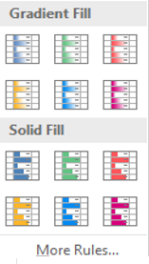
 |  |  | Name | M1 | M2 | M3 | M4 | Total | Percentage |  |  | Comparative Chart
 |  |  | Aman | 60 | 58 | 27 | 55 | 20 | 5 |  |  | Mahesh | Sales | Dinesh
 |  |  | Suman | 35 | 72 | 70 | 66 | 243 | 60.75 |  |  | 5435 | January | 1212
 |  |  | Aman | 40 | 79 | 84 | 60 | 263 | 65.75 |  |  | 1232 | February | 4323
 |  |  | Anshika | 2 | 2 | 2 | 90 | 96 | 24 |  |  | 3323 | March | 5345
 |  |  | Anmol | 48 | 81 | 72 | 80 | 281 | 70.25 |  |  | 7565 | April | 6464
 |  |  | Bhashkar | 40 | 2 | 3 | 36 | 81 | 20.25 |  |  | 3212 | May | 7676
 |  |  | Sukh | 70 | 61 | 61 | 41 | 233 | 58.25 |  |  | 8756 | June | 8987
 |  |  | Sudeep | 57 | 2 | 2 | 2 | 63 | 15.75 |  |  | 5465 | July | 7867
 |  |  |  |  |  |  |  |  |  |  |  | 3432 | August | 9089
 |  |  |  |  |  |  |  |  |  |  |  | 4344 | September | 8767
 |  |  |  |  |  |  |  |  |  |  |  | 6565 | October | 4322
 |  |  |  |  |  |  |  |  |  |  |  | 3443 | November | 1111
 |  |  |  |  |  |  |  |  |  |  |  | 5455 | December | 3222

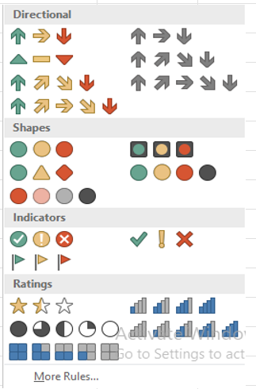
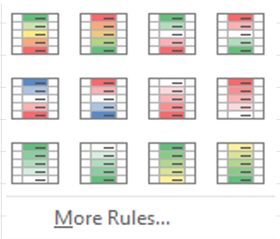
 |  |  | Name | M1 | M2 | M3 | M4 | Total
 |  |  | Aman | 60 | 58 | 27 | 55 | 200
 |  |  | Suman | 35 | 72 | 70 | 66 | 243 |  |  |  |  |  |  | Date | Name | M1 | M2 | M3 | M4 | Total | Percentage | Grade
 |  |  | Aman | 40 | 79 | 84 | 60 | 263 |  |  |  |  |  |  | 2025-08-19 | Aman | 60 | 58 | 27 | 55 | 200 | 50 | PASS
 |  |  | Anshika | 2 | 2 | 2 | 90 | 96 |  |  |  |  |  |  | 2025-08-20 | Suman | 35 | 72 | 70 | 66 | 243 | 60.75 | PASS
 |  |  | Anmol | 48 | 81 | 72 | 80 | 281 |  |  |  |  |  |  | 2025-08-21 | Aman | 40 | 79 | 84 | 60 | 263 | 65.75 | PASS
 |  |  | Bhashkar | 40 | 2 | 3 | 36 | 81 |  |  |  |  |  |  | 2025-12-22 | Anshika | 2 | 2 | 2 | 90 | 96 | 24 | FAIL
 |  |  | Sukh | 70 | 61 | 61 | 41 | 233 |  |  |  |  |  |  | 2025-08-23 | Anmol | 48 | 81 | 72 | 80 | 281 | 70.25 | PASS
 |  |  | Sudeep | 57 | 2 | 2 | 2 | 63 |  |  |  |  |  |  | 2025-12-24 | Bhashkar | 40 | 2 | 3 | 36 | 81 | 20.25 | FAIL
 |  |  |  |  |  |  |  |  |  |  |  |  |  |  | 2025-12-25 | Sukh | 70 | 61 | 61 | 41 | 233 | 58.25 | PASS
 |  |  |  |  |  |  |  |  |  |  |  |  |  |  | 2025-12-26 | Sudeep | 57 | 2 | 2 | 2 | 63 | 15.75 | FAIL

